CSV Files
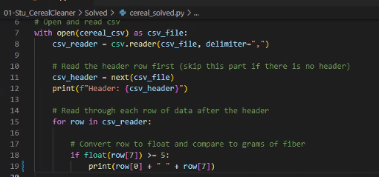
Open a CSV file
 | with open('10_02_us.csv', 'r') as f: | open a file in the same location as your python program. Refer to that file as f
 | reader = csv.reader(f, delimiter='\t') | read that file in as a CSV file delimited with tab characters '\t' The variable name is reader and it is type '_csv.reader'
 | for row in reader: | for each row in reader
 | print(row) | print that row

Open CSV file and make it a list
 | with open('10_02_us.csv', 'r') as f: | open a file in the same location as your python program. Refer to that file as f
 | reader = csv.reader(f, delimiter='\t') | read that file in as a CSV file delimited with tab characters '\t' The variable name is reader and it is type '_csv.reader'
 | myList=list(reader) | No convert that _csv.reader type to a list of rows. It is done while the file is still open. "inside the With block
 | print(myList[0]) | Print out row zero

Open csv file and make it a dictionary
 | with open('10_02_us.csv', 'r') as f: | open a file in the same location as your python program. Refer to that file as f
 | data = csv.DictReader(f, delimiter='\t') | read that file in as a CSV file delimited with tab characters '\t' The type is a dictionary with the header as the key to each value

 | with open('10_02_us.csv', 'r') as f: | open a file in the same location as your python program. Refer to that file as f
 | reader = csv.DictReader(f, delimiter='\t') | read that file in as a CSV file delimited with tab characters '\t' The type is a dictionary with the header as the key to each value
 | data = list(reader) | now convert the dictionay into a list of dictionaries

Read and write a cvs file
 | import os
 | import csv

 | # open a csv file and read read it in
 | # creating a dictionary with the the header rows and keys
 | with open('census_starter.csv','r' ) as f: # This assume the input file is in the same location as the python file
 | data = csv.DictReader(f, delimiter=',')
 | mylist=list(data)

 | # write out the file, selecting only the column needed
 | # calculation can also be down to create additional column based the other values in the row
 | # row that are not need can also be skipped. I need to figure out how to do this
 | with open('myoutput.csv', 'w', newline='') as f:
 | writer = csv.writer(f)
 | for row in mylist:
 | value = float(row['Poverty Count'])/float(row['Population']) # Calculation with other values in the row
 | percentpov=str('{:.4f}%'.format(value)) # format the a value with 4 significant values
 | writer.writerow([row['Place'], row['Population'], row['Per Capita Income'], row['Poverty Count'], percentpov ])

